Daily Power Station Chart_15-01
Plant_11/03/2025Chart

Plant:odco1 |  |  | Installed Capacity:111.180kWp
Today Yield(kWh):653.200kWh |  | Today Earning:261280.000TND |  | Today Full Load Hours(h):5.88h

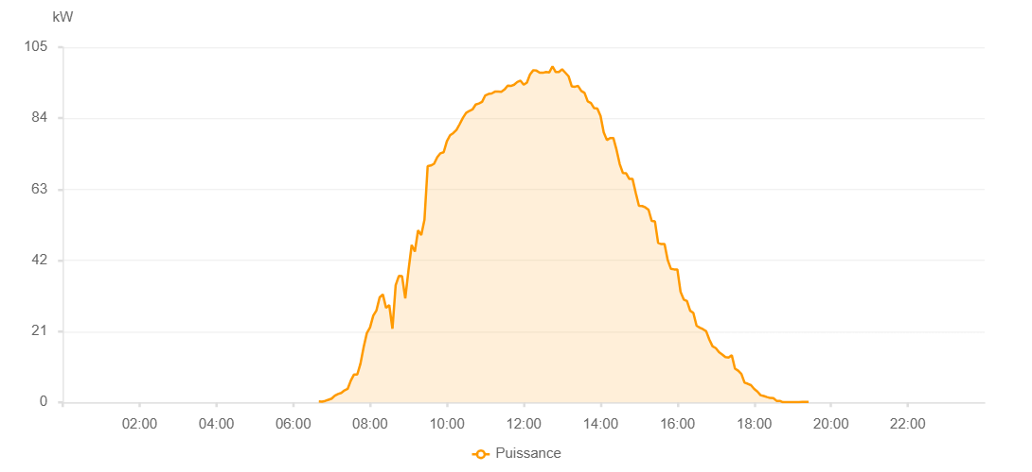

Number | Time | Working State | PV(W) | Instantaneous Radiation(W/㎡)
1 | 06:35:00 | Online | 20.00000 | 0
2 | 06:40:00 | Online | 40.00000 | 0
3 | 06:45:00 | Online | 340.00000 | 0
4 | 06:50:00 | Online | 880.00000 | 2.00000
5 | 06:55:00 | Online | 1690.00000 | 9.00000
6 | 07:00:00 | Online | 2390.00000 | 20.00000
7 | 07:05:00 | Online | 4130.00000 | 37.00000
8 | 07:10:00 | Online | 5140.00000 | 58.00000
9 | 07:15:00 | Online | 6100.00000 | 39.00000
10 | 07:20:00 | Online | 7560.00000 | 79.00000
11 | 07:25:00 | Online | 7560.00000 | 94.00000
12 | 07:30:00 | Online | 10170.00000 | 105.00000
13 | 07:35:00 | Online | 6880.00000 | 69.00000
14 | 07:40:00 | Online | 4830.00000 | 59.00000
15 | 07:45:00 | Online | 4830.00000 | 37.00000
16 | 07:50:00 | Online | 10940.00000 | 123.00000
17 | 07:55:00 | Online | 30330.00000 | 298.00000
18 | 08:00:00 | Online | 32940.00000 | 317.00000
19 | 08:05:00 | Online | 36860.00000 | 358.00000
20 | 08:10:00 | Online | 36860.00000 | 379.00000
21 | 08:15:00 | Online | 38290.00000 | 399.00000
22 | 08:20:00 | Online | 43120.00000 | 419.00000
23 | 08:25:00 | Online | 43120.00000 | 447.00000
24 | 08:30:00 | Online | 47500.00000 | 467.00000
25 | 08:35:00 | Online | 48910.00000 | 487.00000
26 | 08:40:00 | Online | 51800.00000 | 510.00000
27 | 08:45:00 | Online | 57410.00000 | 530.00000
28 | 08:50:00 | Online | 58900.00000 | 548.00000
29 | 08:55:00 | Online | 60970.00000 | 565.00000
30 | 09:00:00 | Online | 62090.00000 | 589.00000
31 | 09:05:00 | Online | 65550.00000 | 607.00000
32 | 09:10:00 | Online | 66550.00000 | 622.00000
33 | 09:15:00 | Online | 67220.00000 | 636.00000
34 | 09:20:00 | Online | 68350.00000 | 654.00000
35 | 09:25:00 | Online | 69330.00000 | 676.00000
36 | 09:30:00 | Online | 70540.00000 | 695.00000
37 | 09:35:00 | Online | 76740.00000 | 708.00000
38 | 09:40:00 | Online | 77100.00000 | 721.00000
39 | 09:45:00 | Online | 79880.00000 | 742.00000
40 | 09:50:00 | Online | 80530.00000 | 757.00000
41 | 09:55:00 | Online | 81710.00000 | 770.00000
42 | 10:00:00 | Online | 83480.00000 | 784.00000
43 | 10:05:00 | Online | 84880.00000 | 803.00000
44 | 10:10:00 | Online | 86490.00000 | 822.00000
45 | 10:15:00 | Online | 86510.00000 | 841.00000
46 | 10:20:00 | Online | 86510.00000 | 856.00000
47 | 10:25:00 | Online | 90270.00000 | 869.00000
48 | 10:30:00 | Online | 90270.00000 | 871.00000
49 | 10:35:00 | Online | 91370.00000 | 903.00000
50 | 10:40:00 | Online | 79660.00000 | 810.00000
51 | 10:45:00 | Online | 84670.00000 | 897.00000
52 | 10:50:00 | Online | 94550.00000 | 921.00000
53 | 10:55:00 | Online | 94490.00000 | 926.00000
54 | 11:00:00 | Online | 94180.00000 | 930.00000
55 | 11:05:00 | Online | 95030.00000 | 927.00000
56 | 11:10:00 | Online | 95670.00000 | 927.00000
57 | 11:15:00 | Online | 94900.00000 | 927.00000
58 | 11:20:00 | Online | 95310.00000 | 932.00000
59 | 11:25:00 | Online | 95310.00000 | 941.00000
60 | 11:30:00 | Online | 97240.00000 | 947.00000
61 | 11:35:00 | Online | 98850.00000 | 957.00000
62 | 11:40:00 | Online | 98850.00000 | 954.00000
63 | 11:45:00 | Online | 99100.00000 | 954.00000
64 | 11:50:00 | Online | 98350.00000 | 932.00000
65 | 11:55:00 | Online | 99860.00000 | 932.00000
66 | 12:00:00 | Online | 99730.00000 | 945.00000
67 | 12:05:00 | Online | 100700.00000 | 973.00000
68 | 12:10:00 | Online | 100510.00000 | 968.00000
69 | 12:15:00 | Online | 101270.00000 | 977.00000
70 | 12:20:00 | Online | 99450.00000 | 963.00000
71 | 12:25:00 | Online | 99330.00000 | 959.00000
72 | 12:30:00 | Online | 99260.00000 | 955.00000
73 | 12:35:00 | Online | 94050.00000 | 928.00000
74 | 12:40:00 | Online | 95370.00000 | 956.00000
75 | 12:45:00 | Online | 100500.00000 | 965.00000
76 | 12:50:00 | Online | 94880.00000 | 924.00000
77 | 12:55:00 | Online | 92380.00000 | 893.00000
78 | 13:00:00 | Online | 96060.00000 | 909.00000
79 | 13:05:00 | Online | 94690.00000 | 897.00000
80 | 13:10:00 | Online | 94290.00000 | 889.00000
81 | 13:15:00 | Online | 92880.00000 | 873.00000
82 | 13:20:00 | Online | 93890.00000 | 885.00000
83 | 13:25:00 | Online | 93340.00000 | 885.00000
84 | 13:30:00 | Online | 92790.00000 | 880.00000
85 | 13:35:00 | Online | 92880.00000 | 870.00000
86 | 13:40:00 | Online | 90990.00000 | 890.00000
87 | 13:45:00 | Online | 80030.00000 | 904.00000
88 | 13:50:00 | Online | 80030.00000 | 854.00000
89 | 13:55:00 | Online | 88450.00000 | 763.00000
90 | 14:00:00 | Online | 88450.00000 | 563.00000
91 | 14:05:00 | Online | 61150.00000 | 506.00000
92 | 14:10:00 | Online | 78780.00000 | 912.00000
93 | 14:15:00 | Online | 52370.00000 | 938.00000
94 | 14:20:00 | Online | 78690.00000 | 802.00000
95 | 14:25:00 | Online | 38480.00000 | 348.00000
96 | 14:30:00 | Online | 86040.00000 | 354.00000
97 | 14:35:00 | Online | 86040.00000 | 352.00000
98 | 14:40:00 | Online | 41870.00000 | 331.00000
99 | 14:45:00 | Online | 77590.00000 | 827.00000
100 | 14:50:00 | Online | 60750.00000 | 722.00000
101 | 14:55:00 | Online | 67340.00000 | 454.00000
102 | 15:00:00 | Online | 64890.00000 | 595.00000
103 | 15:05:00 | Online | 64620.00000 | 526.00000
104 | 15:10:00 | Online | 64620.00000 | 526.00000
105 | 15:15:00 | Fault | 59850.00000 | 616.00000
106 | 15:20:00 | Online | 55280.00000 | 540.00000
107 | 15:25:00 | Online | 53350.00000 | 517.00000
108 | 15:30:00 | Online | 55850.00000 | 543.00000
109 | 15:35:00 | Online | 55850.00000 | 538.00000
110 | 15:40:00 | Online | 34550.00000 | 284.00000
111 | 15:45:00 | Online | 36520.00000 | 397.00000
112 | 15:50:00 | Online | 33460.00000 | 362.00000
113 | 15:55:00 | Online | 33460.00000 | 264.00000
114 | 16:00:00 | Online | 27360.00000 | 290.00000
115 | 16:05:00 | Online | 21280.00000 | 208.00000
116 | 16:10:00 | Online | 20090.00000 | 178.00000
117 | 16:15:00 | Online | 22240.00000 | 220.00000
118 | 16:20:00 | Online | 21010.00000 | 186.00000
119 | 16:25:00 | Online | 19300.00000 | 170.00000
120 | 16:30:00 | Online | 19940.00000 | 179.00000
121 | 16:35:00 | Online | 20490.00000 | 198.00000
122 | 16:40:00 | Online | 20260.00000 | 179.00000
123 | 16:45:00 | Online | 21660.00000 | 164.00000
124 | 16:50:00 | Online | 17910.00000 | 147.00000
125 | 16:55:00 | Online | 17910.00000 | 120.00000
126 | 17:00:00 | Online | 12840.00000 | 106.00000
127 | 17:05:00 | Online | 12700.00000 | 99.00000
128 | 17:10:00 | Online | 10780.00000 | 99.00000
129 | 17:15:00 | Online | 9810.00000 | 87.00000
130 | 17:20:00 | Online | 8530.00000 | 75.00000
131 | 17:25:00 | Online | 8050.00000 | 65.00000
132 | 17:30:00 | Online | 7300.00000 | 59.00000
133 | 17:35:00 | Online | 7300.00000 | 57.00000
134 | 17:40:00 | Online | 7560.00000 | 62.00000
135 | 17:45:00 | Online | 7560.00000 | 62.00000
136 | 17:50:00 | Online | 6860.00000 | 51.00000
137 | 17:55:00 | Online | 6530.00000 | 42.00000
138 | 18:00:00 | Online | 6180.00000 | 38.00000
139 | 18:05:00 | Online | 2400.00000 | 25.00000
140 | 18:10:00 | Online | 2120.00000 | 20.00000
141 | 18:15:00 | Online | 1860.00000 | 17.00000
142 | 18:20:00 | Online | 1430.00000 | 12.00000
143 | 18:25:00 | Online | 560.00000 | 12.00000
144 | 18:30:00 | Online | 400.00000 | 1.00000
145 | 18:35:00 | Online | 140.00000 | 1.00000
146 | 18:40:00 | Online | 50.00000 | 0
147 | 18:45:00 | Online | 40.00000 | 0
148 | 18:50:00 | Online | 40.00000 | 0
149 | 18:55:00 | Online | 40.00000 | 0
150 | 19:00:00 | Online | 40.00000 | 0
151 | 19:05:00 | Online | 70.00000 | 0
152 | 19:10:00 | Online | 70.00000 | 0
153 | 19:15:00 | Online | 20.00000 | 0
154 | 19:20:00 | Online | 20.00000 | 0
155 | 19:25:00 | Online | 20.00000 | 0
156 | 19:45:00 | Online | 0.00001 | 0.00001

